All Defects
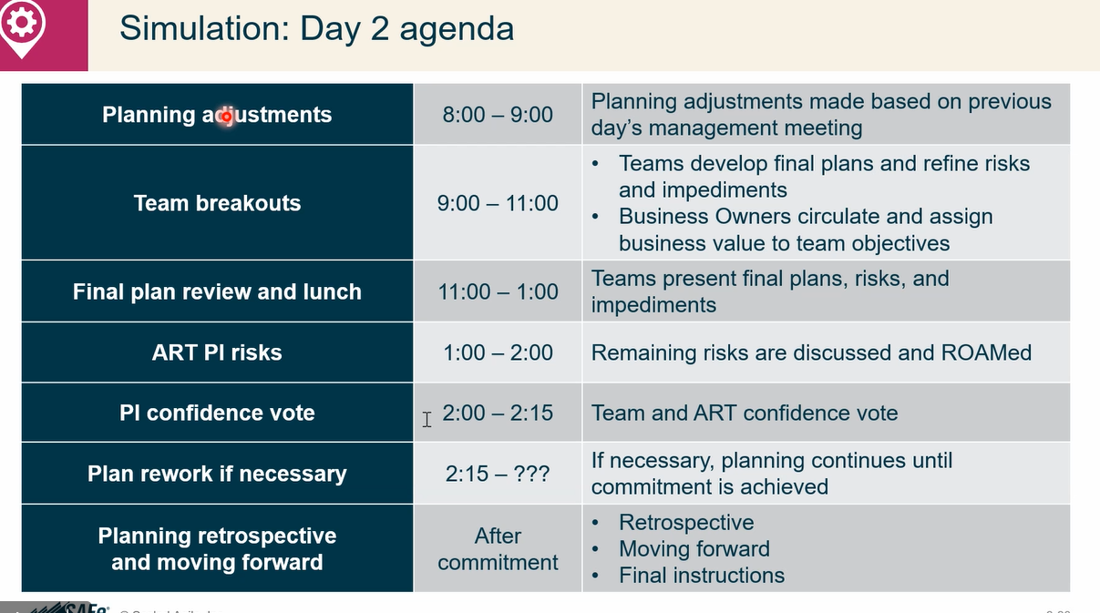
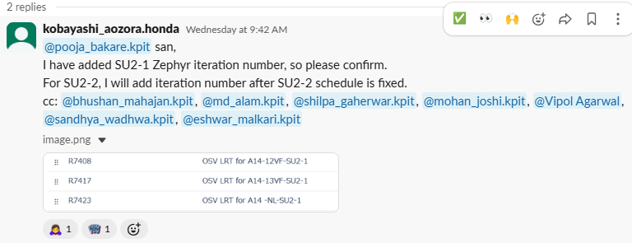
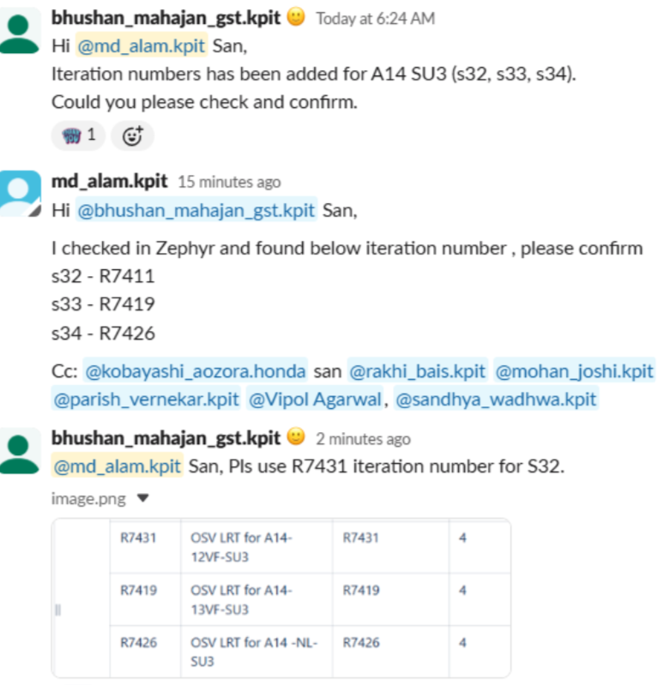
SCHEDULE-CONFLUENCE | March by A14 | March by A14 | 1-April-18-April | 21-April-13-May | 2-June -6-June | 9-June -25-June | 26-June -2-July | 3-July -23-July | 24-July -30-July | 31-July -21-Aug | 15-Oct -19-Oct | 22-Oct -7-Nov | 9-Oct -7-Nov | 4-Nov -10-Nov | 11-Nov -21-Nov | 16-Dec -20-Dec | 5-Jan -16-Jan | 2-Feb -6-Feb | 10-Feb To 23-Feb | 18-Feb -26-Feb | 23-Feb -6-Mar | 5 VM | 10-Mar-26(17th)-Mar | 19-Mar -2-April
LRT OSV | A13+A14 | A12+A14 | A13+A14 | A12+A14 | A12+A14 | A13+A14 | A12+A14 | A13+A14 | A12+A14 | A13+A14 | A12+A14 | A13+A14 | A14+A15 | A12+A14 SU1-1 | A13+A14 SU | A12+A14 SU1-2 | A13+A14 SU1-2 | A12+A14 SU2-1 | A13+A14 SU2-1 | A12+A14 SU2 | A13+A14 SU2 | A14+15 | A14+15 | A13+A14 SU3 | A12+A14 SU3
Cycle | Sanity | Sanity | Full Cycle Sanity | Full Cycle Sanity | Cycle 1 | Cycle 1 | Cycle 2 | Cycle 2 | Cycle 3 | Cycle 3 | Cycle 4 | Cycle 4 | Pre LRT | SU1-1 | SU1-1 | SU1-2 | SU1-2 | SU2-1 | SU2-1 | SU2 | SU2 | LRT | LRT | SU3 | SU3
Iteration | R4101 | R7301 | R4101 Dryrun | R7401 | R7402 | R7411 | R7403 | R7412 | R7404 | R7413 | R7405 | R7414 | R1591 | R7406 | R7415 | R7407 | R7416 | R7408 | R7417 | R7409 | R7418 | R1502 | R1503 | R7419 | R7431
Total TC Plan / Executed | 490 | 490 | 12736 | 12000 | 4022 | 14002 | 4020 | 14002 | 5616 | 14002 | 6016 | 14002 | 12596 | 6000 | 14002 | 6000 | 14002 | 6000 | 8419 | 6434 | 14002 | 18528 | 17991 | 14002 | 6434
Manual TC Executed | 490 | 490 | 12736 | 12000 | 4022 | 10790 | 4020 | 10502 | 4016 | 9478 | 4016 | 9002 | 9608 | 3000 | 8209 | 2750 | 7959 | 2500 | 5419 | 2992 | 7709 | 14500 | 12000 | 7002 | 2434
Automation TC Executed | 0 | 0 | 0 | 0 | 0 | 3212 | 0 | 3500 | 1600 | 4524 | 2000 | 5000 | 2988 | 3000 | 5793 | 3250 | 6043 | 3500 | 3000 | 3442 | 6293 | 4028 | 5991 | 7000 | 4000
 |  |  |  |  |  |  |  |  |  |  |  |  |  |  |  |  |  |  |  |  |  |  |  |  |  | Total | Manual Defects | Automation defects
Manual Defect Raised | 0 | 2 | 72 | 84 | 8 | 34 | 24 | 63 | 27 | 78 | 21 | 68 | 137 | 8 | 53 | 36 | 75 | 44 | 51 | 66 | 53 |  | 38 |  |  | 1002 | 966 | 37
Automation Defect Raised | 0 | 0 | 0 | 0 | 0 | 2 | 0 | 2 | 1 | 5 | 3 | 1 | 8 | 1 | 2 | 6 | 2 | 2 | 1 | 1 | 2 |  | 0
Total Defect Raised | 0 | 2 | 72 | 84 | 8 | 36 | 24 | 65 | 28 | 83 | 24 | 69 | 145 | 9 | 54 | 42 | 77 | 46 | 52 | 67 | 55 |  | 38 | 0
Manual Team defect density | 0.00% | 0.41% | 0.57% | 0.70% | 0.20% | 0.32% | 0.60% | 0.60% | 0.67% | 0.82% | 0.52% | 0.76% | 1.43% | 0.27% | 0.65% | 1.31% | 0.94% | 1.76% | 0.94% | 2.21% | 0.69% |  | 0.32% | 0.00%
Automation Team defect density | #DIV/0! | #DIV/0! | #DIV/0! | #DIV/0! | #DIV/0! | 0.06% | #DIV/0! | 0.06% | 0.06% | 0.11% | 0.15% | 0.02% | 0.27% | 0.03% | 0.03% | 0.18% | 0.03% | 0.06% | 0.03% | 0.03% | 0.03% |  | 0.00% | 0.00%
 |  |  |  |  |  |  |  |  | AnkitLink |  |  |  |  |  |  |  |  |  |  |  |  |  | Exe-link
Project | Iteration |  | TC | Total Defects | S Rank | A Rank | B Rank | C Rank | linkALL |  |  |  |  |  |  |  |  |  |  |  | MSR March |  | MSR March
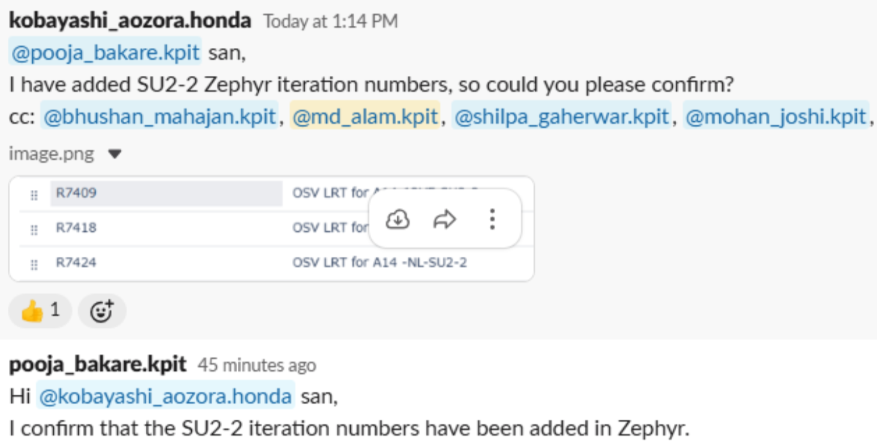
LRT OSV | OSV A13+A14 | R4101 | 490 | 0 | 0 | 0 | 0 | 0 | Checked ok
Defects Rank Chart
Manual Vs Automation Defects Raised
 | Manual Defect Raised | Automation Defect Raised
R4101 | 0 | 0
R7301 | 2 | 0
R4101 Dryrun | 72 | 0
R7401 | 84 | 0
R7402 | 8 | 0
R7411 | 34 | 2
R7403 | 24 | 0
R7412 | 63 | 2
R7404 | 27 | 1
R7413 | 78 | 5
R7405 | 21 | 3
R7414 | 68 | 1
R1591 | 137 | 8
R7406 | 8 | 1
R7415 | 53 | 2
R7407 | 36 | 6
R7416 | 75 | 2
R7408 | 44 | 2
R7417 | 51 | 1
R7409 | 66 | 1
R7418 | 53 | 2
R1502
 | 38
 | OSV A12+A14 | R7301 | 490 | 2 | 1 | 0 | 1 | 0 | Sobia
 | OSV A13+A14 | R4101 | 12736 | 72 | 11 | 7 | 32 | 22 | Checked ok |  |  |  |  |  |  |  |  |  |  |  |  |  | 5811
 | OSV A12+A14 | R7401 | 12000 | 84 | 6 | 7 | 34 | 37 | Checked ok |  |  |  |  |  |  |  |  |  |  | 2500 |  |  | 14002
 | OSV A12+A14 | R7402 Cycle 1 | 4022 | 8 | 0 | 0 | 5 | 3 | Checked ok |  |  |  |  |  |  |  |  |  |  | 2989
 | OSV A13+A14 | R7411 Cycle 1 | 14002 | 36 | 0 | 2 | 17 | 17 | Checked ok |  |  |  |  |  |  |  |  |  |  | 489 |  |  | 7709
 | OSV A12+A14 | R7403 Cycle 2 | 4020 | 24 | 1 | 1 | 11 | 11 | Checked ok |  |  |  |  |  |  |  |  |  |  |  |  |  | 3981
 | OSV A13+A14 | R7412 Cycle 2 | 14002 | 65 | 5 | 6 | 32 | 22 | Checked ok |  |  |  |  |  |  |  |  |  |  | 2992 |  |  |  |  | 1830
 | OSV A12+A14 | R7404 Cycle 3 | 5616 | 28 | 2 | 2 | 14 | 10 | Checked ok |  |  |  |  |  |  |  |  |  |  | 492 |  |  | 6293
 | OSV A13+A14 | R7413 Cycle 3 | 14002 | 83 | 3 | 18 | 40 | 22 | Checked ok |  |  |  |  |  |  |  |  |  |  |  |  |  | 1830
 | OSV A12+A14 | R7405 Cycle 4 | 6016 | 24 | 0 | 14 | 10 | 0 | Checked ok
 | OSV A13+A14 | R7414 Cycle 4 | 14002 | 69 | 3 | 14 | 39 | 13 | Checked ok
 | OSV A14+A15 | R1591 | 12596 | 145 | 5 | 21 | 73 | 46 | Checked ok
 | OSV A12+A14 SU1-1 | R7406 SU1-1 | 6000 | 9 | 0 | 0 | 6 | 3 | Checked ok
 | OSV A13+A14 SU1-1 | R7415 SU1-1 | 14002 | 54 | 0 | 5 | 33 | 16 | Checked ok
 | OSV A12+A14 SU1-2 | R7407 SU1-2 | 6000 | 42 | 1 | 4 | 27 | 10 | Checked ok
 | OSV A13+A14 SU1-2 | R7416 SU1-2 | 14002 | 77 | 1 | 9 | 47 | 20 | Checked ok
 | OSV A12+A14 SU2-1 | R7408 SU2-1 | 6000 | 46 | 1 | 2 | 31 | 12 | Checked ok
 | OSV A13+A14 SU2-1 [STOP/SKIP] | R7417 SU2-1 | 8419 | 52 | 0 | 6 | 25 | 21 | Checked ok
 | Additional LRT OSV A12+A14 SU2 | R7409 SU2 | 6434 | 67 | 1 | 7 | 41 | 18
 | Additional LRT OSV A13+A14 SU2 | R7418 SU2 | 14002 | 55 | 1 | 5 | 36 | 13
 | OSV A14+A15 | R1503 | 17991 | 38 | 0 | 6 | 21 | 11

 | Total |  | 133996 | 1080 | 42 | 136 | 554 | 327

 |  |  |  |  | Rankwise

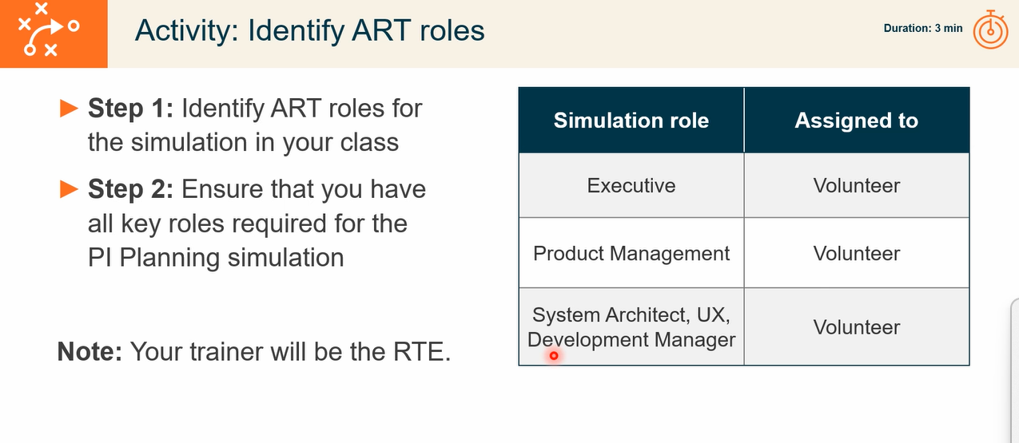

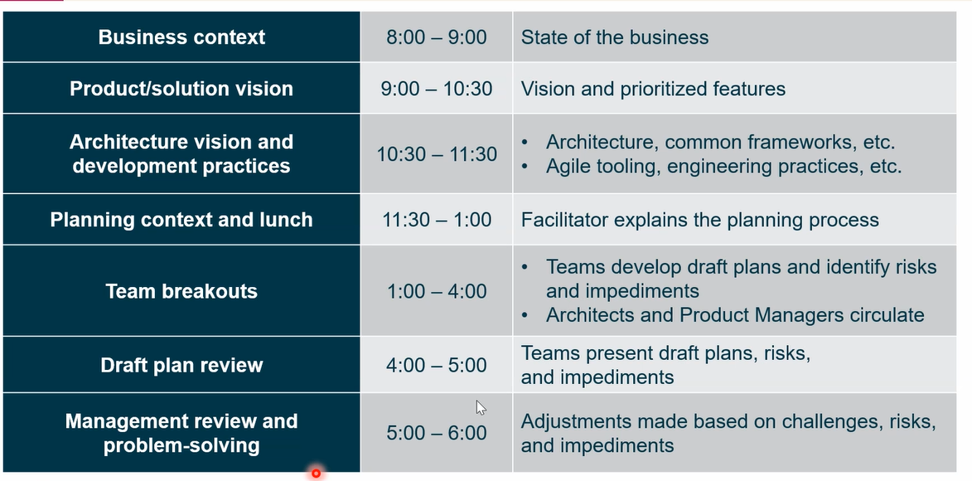
 |  |  |  |  |  | Executive will give

 |  |  |  |  |  | Product Owner

 |  |  |  |  |  | Ssytem TA
 |  |  |  |  |  | DEV TA | CICD Dev ops

 |  |  |  |  |  | Estimate capacity for every iterations
 |  |  |  |  |  | check back log items
 |  |  |  |  |  | Draft plan , bench plan , RISK etc |  | Review

 |  |  |  |  |  | High level review

Density
Iteration | Manual TC Executed | TC Effectiveness | Manual DD | Automation TC Executed | Automation Defects Raised | TC Effectiveness
R4101 A13+A14 OSV | 490 | 0 | #DIV/0! | 0 | 0
R7301 A12+A14 OSV | 490 | 2 | 0.41 | 0 | 0
R4101 A13+A14 OSV | 12736 | 72 | 0.57 | 0 | 0
R7401 A12+A14 OSV | 12000 | 84 | 0.70 | 0 | 0
R7402 A12+A14 OSV | 4022 | 8 | 0.20 | 0 | 0
R7411 A13+A14 OSV | 10790 | 34 | 0.32 | 3212 | 2 | 0.0006
R7403 A12+A14 OSV | 4020 | 24 | 0.60 | 0 | 0
R7412 A13+ A14 OSV | 10502 | 63 | 0.60 | 3500 | 2 | 0.0006
R7404 A12+ A14 OSV | 4016 | 27 | 0.67 | 1600 | 1 | 0.0006
R7413 A13+ A14 OSV | 9478 | 78 | 0.82 | 4524 | 5 | 0.0011
R7405 A12+ A14 OSV | 4016 | 21 | 0.52 | 2000 | 3 | 0.0015
R7414 A13+ A14 OSV | 9002 | 68 | 0.76 | 5000 | 1 | 0.0002
R1591 A14+ A15 OSV | 9608 | 137 | 1.43 | 2988 | 8 | 0.0027
R7406 A12+ A14 OSV | 3000 | 8 | 0.27 | 3000 | 1 | 0.0003
R7415 A13+ A14 OSV | 8209 | 53 | 0.65 | 5793 | 2 | 0.0003
R7407 A12+ A14 OSV | 2750 | 36 | 1.31 | 3250 | 3 | 0.0009
R7416 A13+ A14 OSV | 6043 | 75 | 1.24 | 7959 | 2 | 0.0003
R7408 A12+ A14 OSV | 3500 | 44 | 1.26 | 2500 | 2 | 0.0008
R7417 A13+ A14 OSV | 3000 | 51 | 1.70 | 5419 | 1 | 0.0002
R7409 Additional LRT OSV A12+A14 SU2 | 3442 | 66 | 1.92 | 2992 | 1 | 0.0003

Manual Vs Automation
Iteration | Manual TC Effectiveness | Automation TC Effectiveness
R4101 A13+A14 OSV | 0.00 | 0.0
R7301 A12+A14 OSV | 0.41 | 0.0
R4101 A13+A14 OSV | 0.57 | 0.0
R7401 A12+A14 OSV | 0.70 | 0.0
R7402 A12+A14 OSV | 0.20 | 0.0
R7411 A13+A14 OSV | 0.32 | 0.0
R7403 A12+A14 OSV | 0.60 | 0.0
R7412 A13+ A14 OSV | 0.60 | 0.0
R7404 A12+ A14 OSV | 0.67 | 0.0
R7413 A13+ A14 OSV | 0.82 | 0.0
R7405 A12+ A14 OSV | 0.52 | 0.0
R7414 A13+ A14 OSV | 0.76 | 0.0
R1591 A14+ A15 OSV | 1.43 | 0.0
R7406 A12+ A14 OSV | 0.27 | 0.0
R7415 A13+ A14 OSV | 0.65 | 0.0
R7407 A12+ A14 OSV | 1.31 | 0.0
R7416 A13+ A14 OSV | 1.24 | 0.0
R7408 A12+ A14 OSV | 1.26 | 0.0
R7417 A13+ A14 OSV | 1.70 | 0.0
R7409 Additional LRT OSV A12+A14 SU2 | 1.92 | 0.0

Manual Vs Automation Defects Raised
 | Manual Defect Raised | Automation Defect Raised
R4101 | 0 | 0
R7301 | 2 | 0
R4101 Dryrun | 72 | 0
R7401 | 84 | 0
R7402 | 8 | 0
R7411 | 34 | 2
R7403 | 24 | 0
R7412 | 63 | 2
R7404 | 27 | 1
R7413 | 78 | 5
R7405 | 21 | 3
R7414 | 68 | 1
R1591 | 137 | 8
R7406 | 8 | 1
R7415 | 53 | 2
R7407 | 36 | 6
R7416 | 75 | 2
R7408 | 44 | 2
R7417 | 51 | 1
R7409 | 66 | 1
R7418 | 53 | 2
R1502

WSR Graph A1214
A12+A14 Defect
S.No | Parameter | CW10 | CW11 | CW12
1 | Cumulative JIRA defect Raised | 324 | 324 | 324
2 | Closed Defects | 121 | 122 | 124
3 | Open Defects | 203 | 202 | 200
3.1 | Open JIRA defect with Dev Team | 199 | 198 | 194
3.2 | Open JIRA defect with Val Team | 1 | 2 | 2 | 26
3.3 | Open JIRA defect with Honda Team | 3 | 2 | 4

S.No | Parameter | CW10 | CW11 | CW12
1 | Cumulative JIRA defect Raised | 66 | 66 | 66
2 | Closed Defects | 0 | 0 | 0
R7409 Defect Status
3 | Open Defects | 66 | 66 | 66
3.1 | Open JIRA defect with Dev Team | 66 | 66 | 62
3.2 | Open JIRA defect with Val Team | 0 | 0 | 4
3.3 | Open JIRA defect with Honda Team | 0 | 0 | 0

 | LRT OSV A12+A14 Overall Defect Status - Tabby_Jira
 | LRT OSV A14-12VF-SU2-1 R7408 Defect Status - Tabby_Jira

WSR Graph A1314
A13+A14 Overall Defects
 |  | Overall
 | S.No | Parameter | CW10 | CW11 | CW12
235 | 1 | Cumulative JIRA defect Raised | 525 | 550 | 564
145 | 2 | Closed Defects | 222 | 224 | 234
 | 3 | Open Defects | 303 | 326 | 330
 | 3.1 | Open JIRA defect with Dev Team | 287 | 317 | 319
 | 3.2 | Open JIRA defect with Val Team | 11 | 4 | 8
 | 3.3 | Open JIRA defect with Honda Team | 5 | 5 | 3

 |  | R7418
 | S.No | Parameter | CW10 | CW11 | CW12
 | 1 | Cumulative JIRA defect Raised | 0 | 0 | 0
 | 2 | Closed Defects | 0 | 0 | 0
R7419 Defects Status
 | 3 | Open Defects | 0 | 0 | 0
 | 3.1 | Open JIRA defect with Dev Team | 0 | 0 | 0
 | 3.2 | Open JIRA defect with Val Team | 0 | 0 | 0
 | 3.3 | Open JIRA defect with Honda Team | 0 | 0 | 0

 |  | 11 | 6 | 31 | 22 | 0 | 0 | 0 | 0 | 0 | 0 | 6 | 16 | 17 | 4 | 10 | 52 | 38 | 2 | 19 | 36 | 21

WSR Graph A1415
A14+A15 Overall Defects
 | Overall
S.No | Parameter | CW10 | CW11 | CW12
1 | Cumulative JIRA defect Raised | 137 | 137 | 175
2 | Closed Defects | 25 | 33 | 36
3 | Open Defects | 112 | 104 | 139
3.1 | Open JIRA defect with Dev Team | 101 | 98 | 131
3.2 | Open JIRA defect with Val Team | 9 | 6 | 5
3.3 | Open JIRA defect with Honda Team | 2 | 0 | 3

 | R1503
S.No | Parameter | CW10 | CW11 | CW12
1 | Cumulative JIRA defect Raised | 0 | 0 | 38
2 | Closed Defects | 0 | 0 | 0
R1503 Defects Status
3 | Open Defects | 0 | 0 | 38
3.1 | Open JIRA defect with Dev Team | 0 | 0 | 38
3.2 | Open JIRA defect with Val Team | 0 | 0 | 0
3.3 | Open JIRA defect with Honda Team | 0 | 0 | 0

 | 11 | 6 | 31 | 22 | 0 | 0 | 0 | 0 | 0 | 0 | 6 | 16 | 17 | 4 | 10 | 52 | 38 | 2 | 19 | 36 | 21

